Sheet1
 |  | Document No. | Issue No. | Issue Date |  | Review and Replace Date |  | Authorised By
 |  | GFF050MC | 4 | 28.09.2018 |  | 11.12.2021
 |  | Document Title | CHICKEN TIKKA WITH PILAU RICE W/ FRIED ONIONS 400g
 |  |  |  |  |  |  |  | Magda Shah
Document amendments reason for change |  | Film updated | Page 1 of 1 |  | Previous Issue Date |  | 11.06.2021 | Uncontrolled copy unless signed original

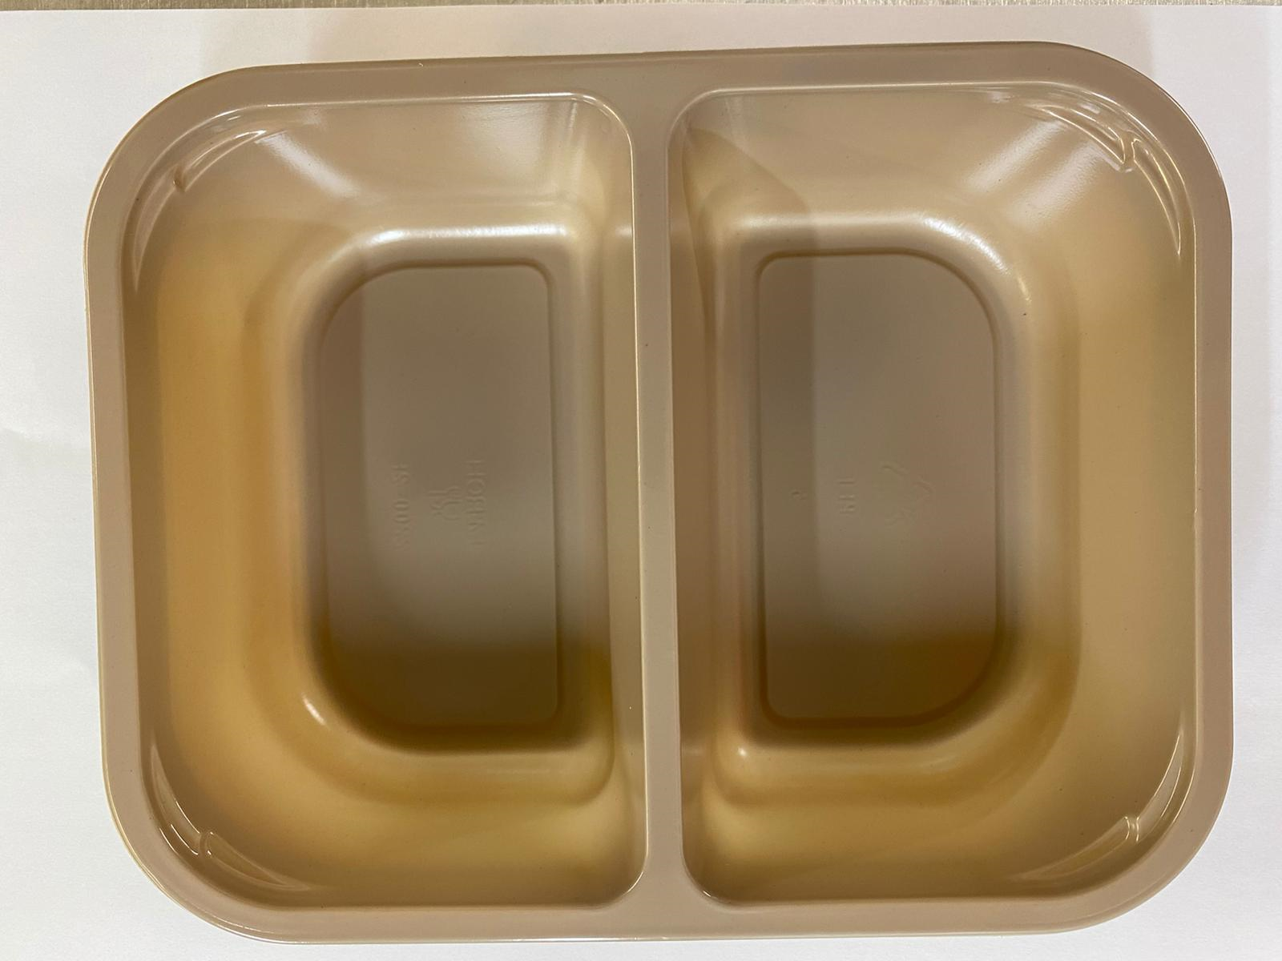
CCTIR1-R4TEB | BOOTHS |  | CHICKEN TIKKA WITH PILAU RICE W/ FRIED ONIONS 400g
STEP 1 |  |  |  |  | STEP 2
 |  |  |  |  | 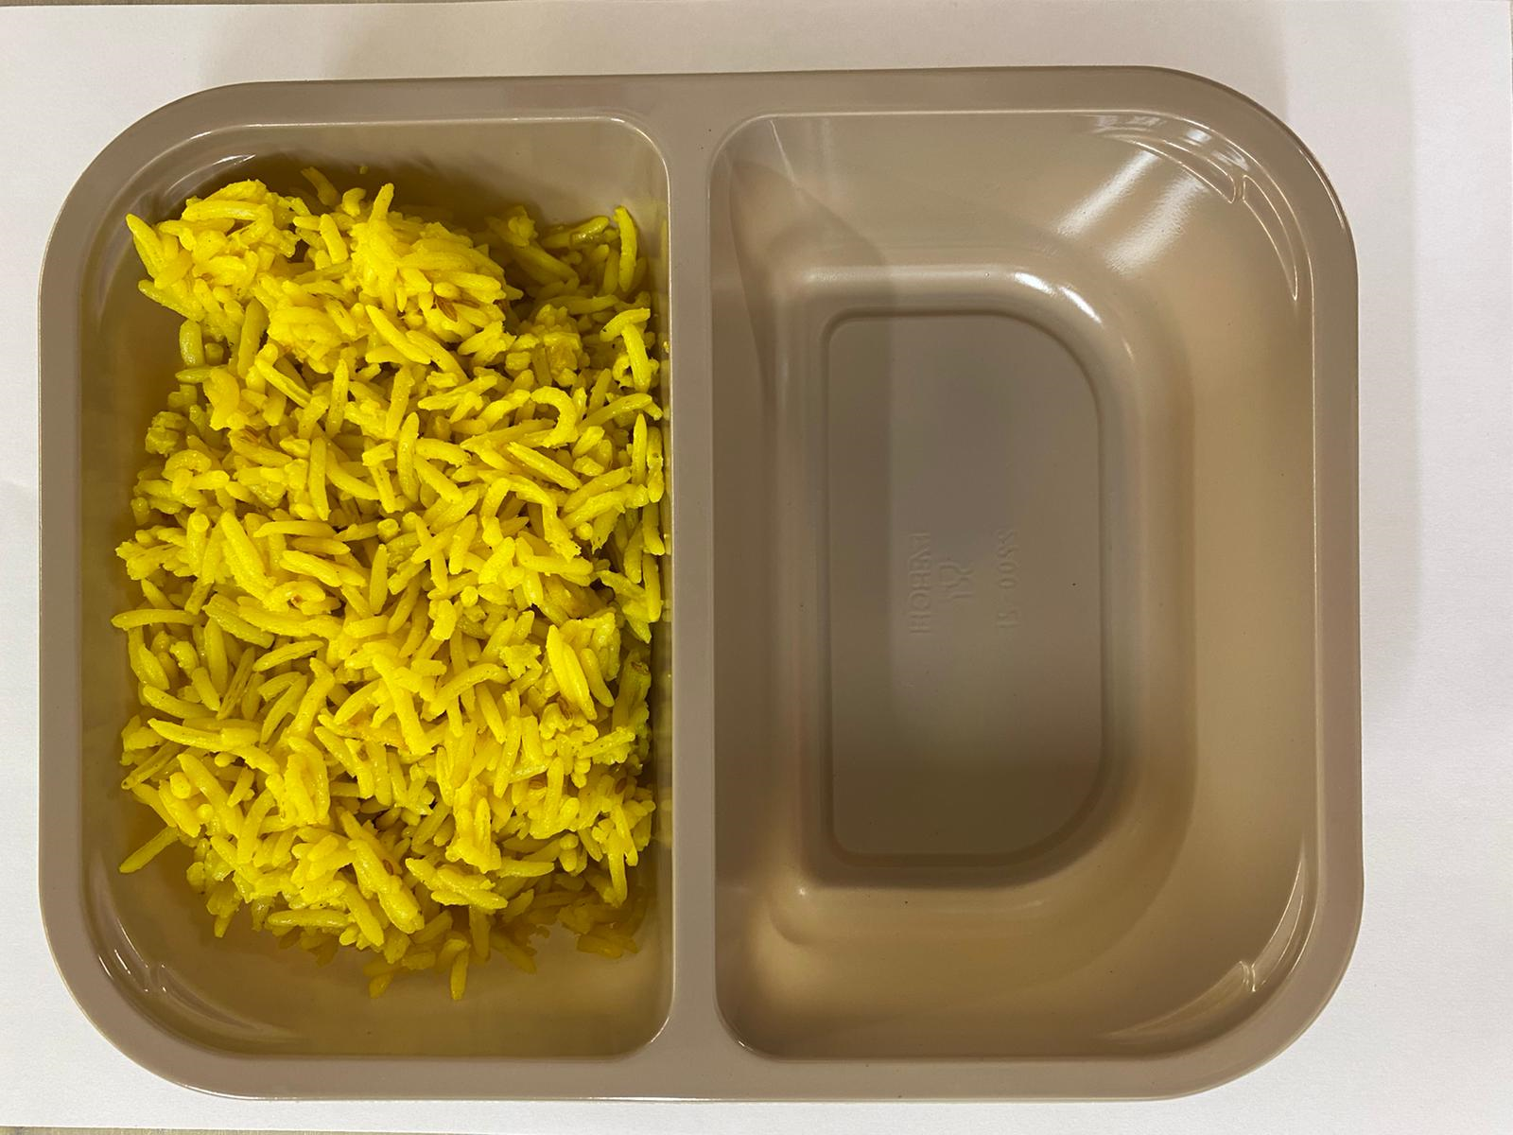

Tray: Evolve CPET 2200-2F (PKRHP001-10) |  |  |  |  | Pilau Rice (GFF143R): 160g

Film: K peel 7G+25A/f- 275mm (275 mmX1000) (PKKMP001-03)

STEP 3 |  |  | STEP 4 |  |  |  | STEP 5
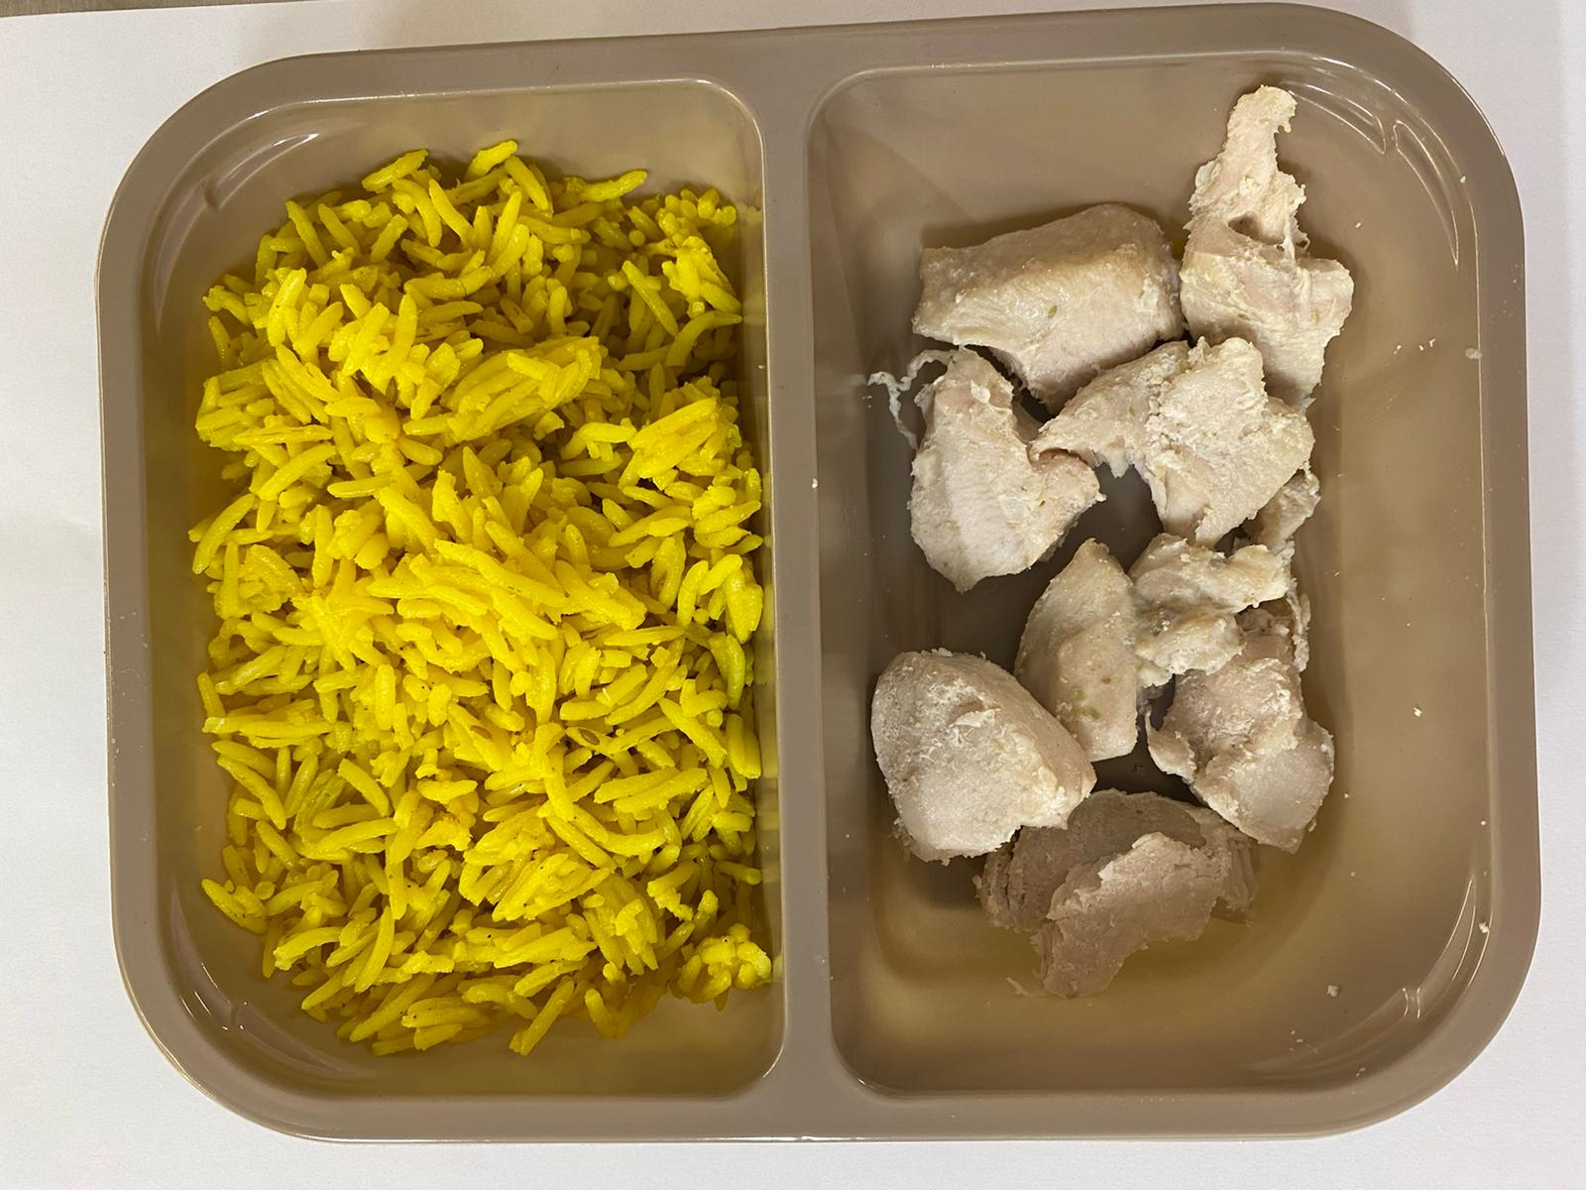 |  |  | 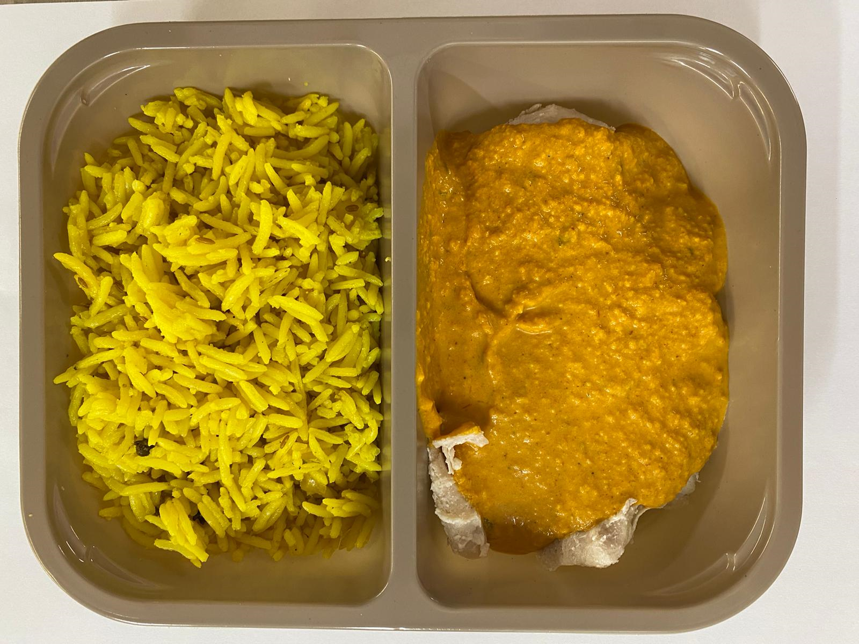 |  |  |  | 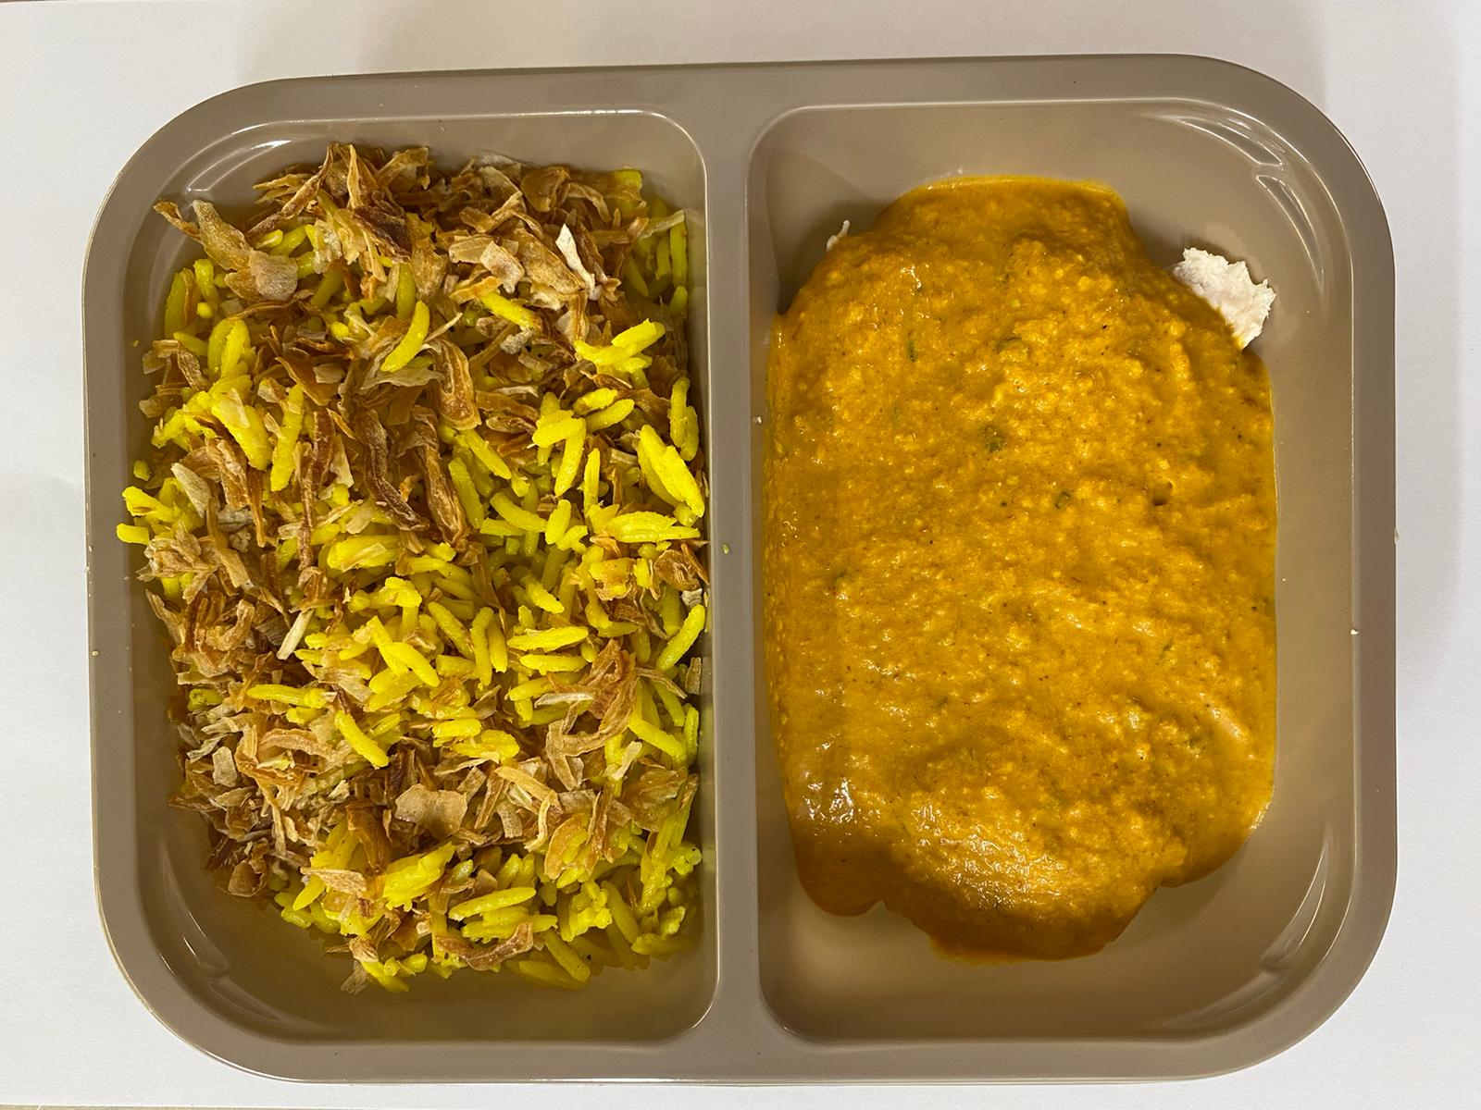

British Diced Breast chicken 12-14g (Marinated) (GFF164R): 75g |  |  | Tikka Sauce (GFF141R): 160g |  |  |  | Fried Onions (RMVIR001-59): 5g
7 - 9 pieces of chicken |  |  |  |  |  |  | TOTAL WEIGHT: 400g
ALLERGY ALERT: BARLEY, MILK, NUTS

